Overall Histogram
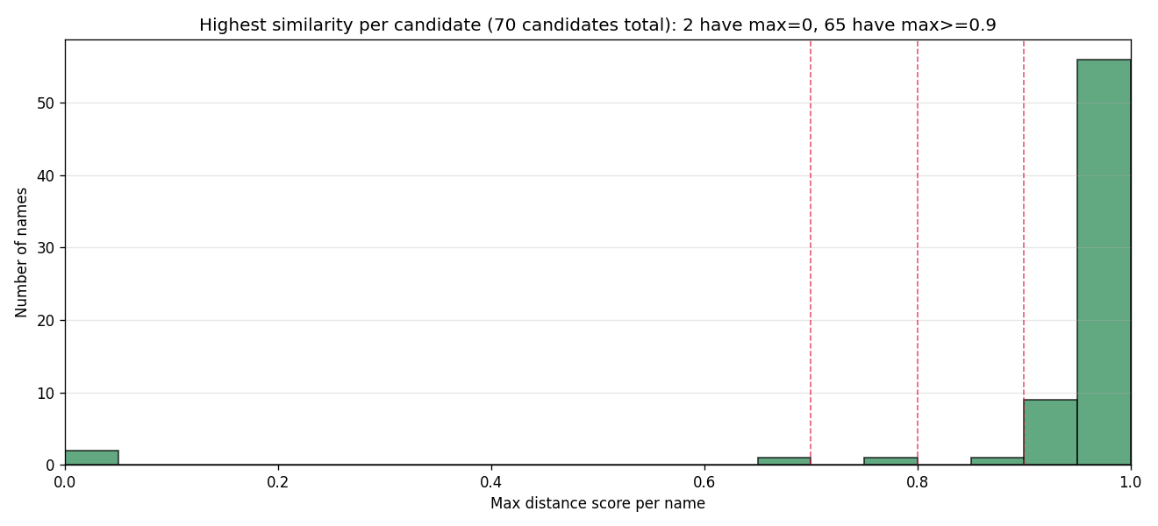
OVERALL HISTOGRAM - global view of similarity scores.

CHART 1: Distribution of all match scores (~4,000 matches mixed)
X = score 0-1. Y = number of trademark matches in that range.
Red dashed lines = candidate thresholds (0.7 / 0.8 / 0.9).
USE: where the curve drops off is a natural cut-point.

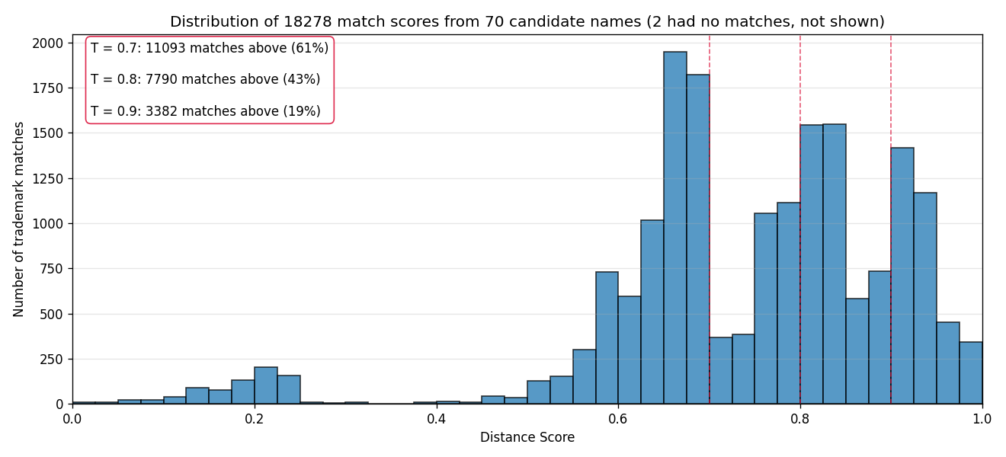

CHART 2: Highest similarity per candidate (70 candidates)
X = each candidate's max score. Y = number of candidates.
Shows BIMODAL pattern: candidates cluster near 0 or near 1.
IMPLICATION: threshold in 0.5-0.9 gives same verdict for ~89% of names.

Per Name Histograms
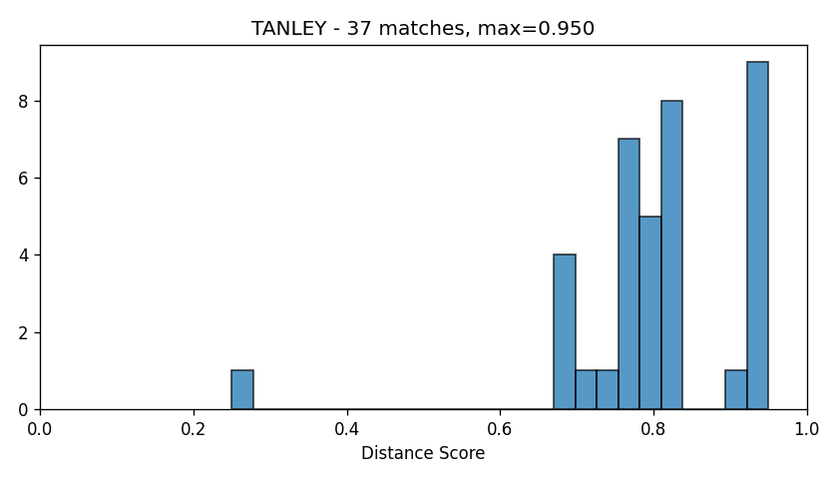
SAMPLE PER NAME HISTOGRAMS - 10 candidates, one chart each.

HOW TO READ:
Each chart = ONE candidate's score distribution.
Bars right (>= 0.7) = high conflict; bars left (<= 0.4) = safe.
Title shows: name + total matches + max score.

USE:
Spot-check the threshold from Tab 3 against specific cases.
Sample size is parametric (--sample-hists N in code).

ASCENDRY
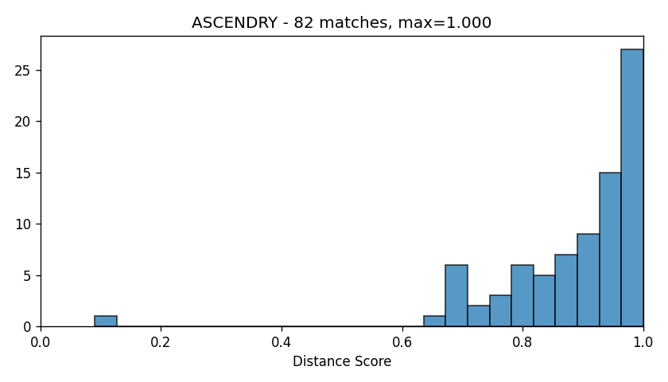

AURAVOX
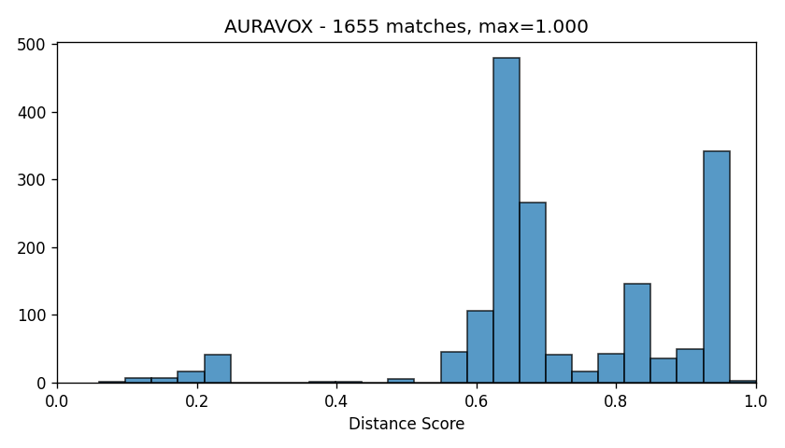

CILANTRA
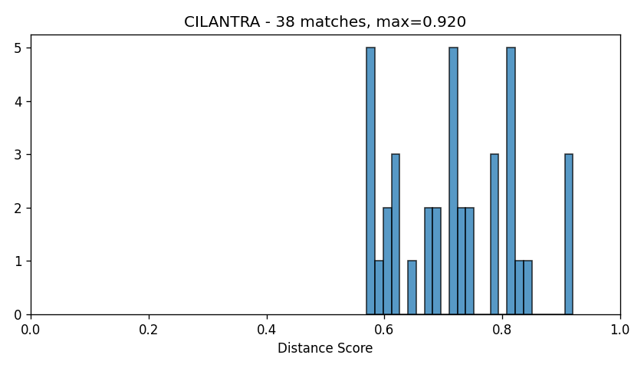

FARLY
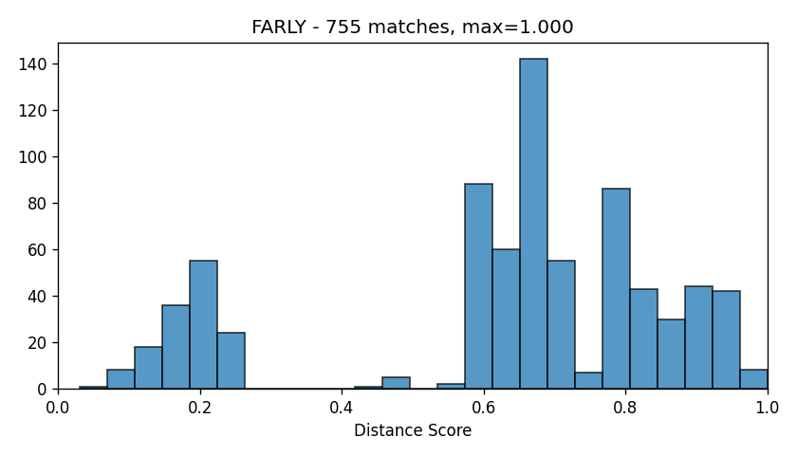

LATENSITY
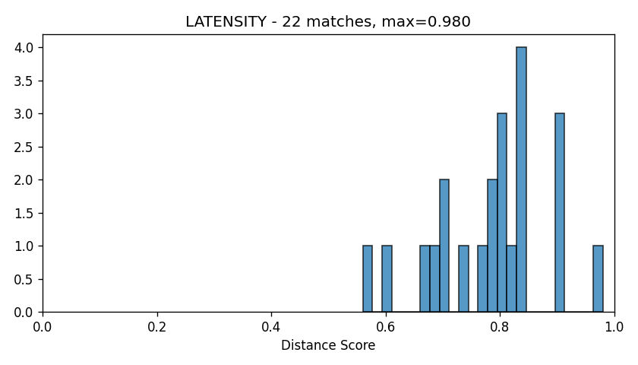

MIDFLIGHT
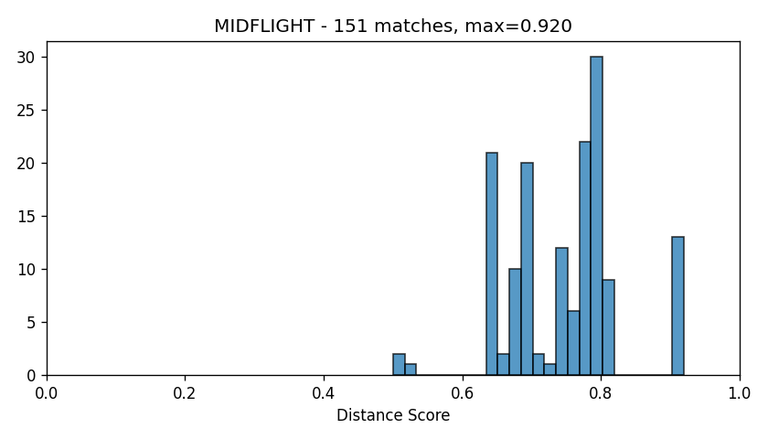

NOETICA
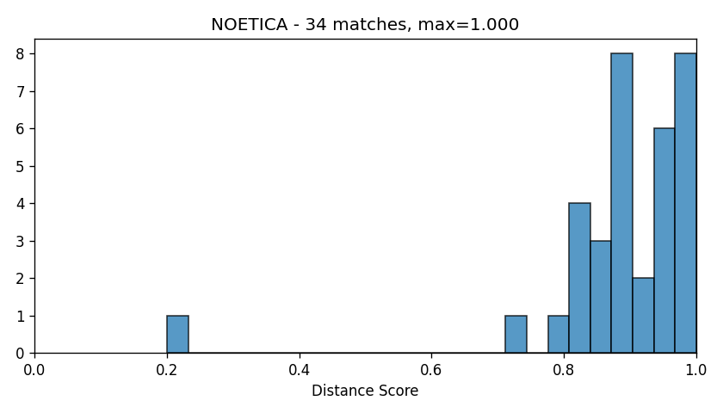

SOLARA
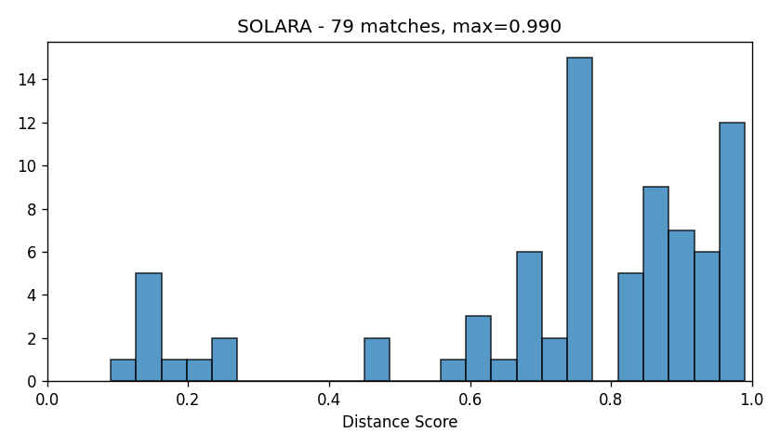

STANLEY
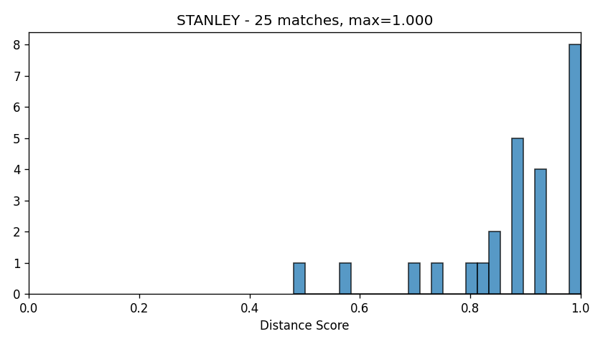

TANLEY

